SegmentTree
# | Title | Tags | Difficulty | Flow | Notes | Date | Mark
1526 | Minimum Number of Increments on Subarrays to Form a Target Array | Segment Tree | Hard
1157 | Online Majority Element In Subarray | Array Binary Search Segment Tree | Hard
850 | Rectangle Area II | Segment Tree Line Sweep | Hard
732 | My Calendar III | Segment Tree Ordered Map | Hard
731 | My Calendar II | Ordered Map | Medium | 0.这个解法无法处理比3个count还大的情况，因为update的时候，原始的count只可能是1，而新创建的node会直接为1，所以可行，但在超过3个count的情况下，split的需要继承当前的count。解决办法为严格分解node.start和start，node.end和end的大小比较将count带下去，如果被split了，则带当前的count下去，如果没有，则带1下去 1. treenode里面记录start，end，count，leftnode，rightnode 2.先check所有在range里面的所有node有没有超过count 3.如果没有超过，则update 4.check里面的逻辑是return的是maxCount，如果start >= end，return 0，因为没有node了 如果当前的range在node range的右边，则往右走，反之往左走 如果有overlap，那么则把range分成(start, min(end, root.end))和(max(start, node.start), end)往下check 最终return max root.count， leftCount，rightCount 5.update return 的是Node 如果start >= end，return 当前的node 如果node是null，以start，end和count==1创建新node return 如果当前的range在node range的右边，则往右走，反之往左走 如果有overlap，那么则把range分成(min(node.start, start), max(start, node.start))和(min(node.end, end), max(node.end, end))往下check，并且把当前的range压缩成max(start, node.start)，min(node.end, end) 最终return当前node |  | 2021-01-04
729 | My Calendar I | Array | Medium | Segment Tree 或者 TreeMap，TreeSet都可以 |  | 2021-01-03
715 | Range Module | Segment Tree Ordered Map | Hard
493 | Reverse Pairs | Binary Search Divide and Conquer Sort Binary Indexed Tree Segment Tree | Hard
327 | Count of Range Sum | Binary Search Divide and Conquer Sort Binary Indexed Tree Segment Tree | Hard
315 | Count of Smaller Numbers After Self | Binary Search Divide and Conquer Sort Binary Indexed Tree Segment Tree | Hard | SegmentTree解法：从后往前，如果node.val > num，node.leftSum++，否则sum += node.leftSum + node.duplicate BinaryIndexTree解法 MergeSort解法 |  | 2020-12-06
308 | Range Sum Query 2D - Mutable | Binary Indexed Tree Segment Tree | 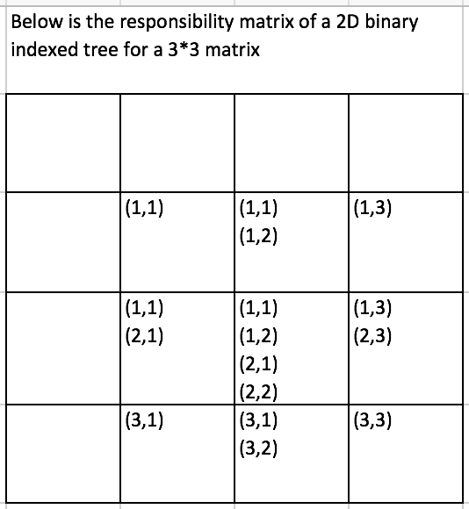 Hard | 跳跃的过程是通过i+=i&(-i)和i-=i&(-i)完成的 |  | 2020-12-06
307 | Range Sum Query - Mutable | Binary Indexed Tree Segment Tree | Medium | 正常的做法还是建node，然后有index的左边界和右边界，左node和右node，然后sum。切分node的时候还是用中点切分左右 当update的时候，如果到底了，leftBound==rightBound，就把值set成新的，并且一路弹栈，把sum=left.sum+right.sum更新 range query的时候3种可能，全在左边，全在右边或者左右都有，base case是左右边界符合了就return sum |  | 2020-12-06

Math
# | Title | Tags | Difficulty | Flow | Notes | Date | Mark
1447 | Simplified Fractions | Math | Medium | 分子分母同时跑，如果分子分母gcd为1则为解 |  | 2020-11-01
1281 | Subtract the Product and Sum of Digits of an Integer | Math | Easy | 字面意思 |  | 2020-11-01
1121 | Divide Array Into Increasing Sequences | Math | Hard |  |  | 2020-11-01
1056 | Confusing Number | Math | Easy |  |  | 2020-11-01
1037 | Valid Boomerang | Math | Easy | 先得看是不是垂直的线，检查有没有重合的点，检查是不是在同一条直线 |  | 2020-11-02
1015 | Smallest Integer Divisible by K | Math | Medium | 直接乘就行 |  | 2020-11-02
963 | Minimum Area Rectangle II | MathGeometry | Medium | 矢量相乘等于0，找两个矢量 |  | 2020-11-02
949 | Largest Time for Given Digits | Math | Medium | dfs,把所有combination找出来，当hour大于23就停下，min大于59就停下 |  | 2020-11-02
942 | DI String Match | Math | Easy | 第一遍从左往右遇上I就赋值然后n++，第二遍从右往左，把没有赋值的地方赋值n++ |  | 2020-11-02
914 | X of a Kind in a Deck of Cards | ArrayMath | Easy | 先统计个数，然后找个数的gcd |  | 2020-11-02
906 | Super Palindromes | Math | Hard
836 | Rectangle Overlap | Math | Easy | rec1[0] < rec2[2] && rec2[0] < rec1[2] && rec1[1] < rec2[3] && rec2[1] < rec1[3]; |  | 2020-11-02
812 | Largest Triangle Area | Math | Easy | 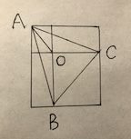 |  | 2020-11-02
805 | Split Array With Same Average | Math | Hard
789 | Escape The Ghosts | Math | Medium | 算曼哈顿距离，如果小于就return false |  | 2020-11-02
782 | Transform to Chessboard | ArrayMath | Hard
780 | Reaching Points | Math | Hard
660 | Remove 9 | Math | Hard
640 | Solve the Equation | Math | Medium
593 | Valid Square | Math | Medium
535 | Encode and Decode TinyURL | Hash TableMath | Medium
469 | Convex Polygon | Math | Medium
400 | Nth Digit | Math | Medium
365 | Water and Jug Problem | Math | Medium
356 | Line Reflection | Hash TableMath | Medium
335 | Self Crossing | Math | Hard
326 | Power of Three | Math | Easy
313 | Super Ugly Number | MathHeap | Medium
296 | Best Meeting Point | MathSort | Hard
246 | Strobogrammatic Number | Hash TableMath | Easy
204 | Count Primes | Hash TableMath | Easy
202 | Happy Number | Hash TableMath | Easy
171 | Excel Sheet Column Number | Math | Easy
168 | Excel Sheet Column Title | Math | Easy
166 | Fraction to Recurring Decimal | Hash TableMath | Medium
149 | Max Points on a Line | Hash TableMath | Hard
9 | Palindrome Number | Math | Easy
7 | Reverse Integer | Math | Easy |  |  | 2020-11-02

